semicondutcor&electronic
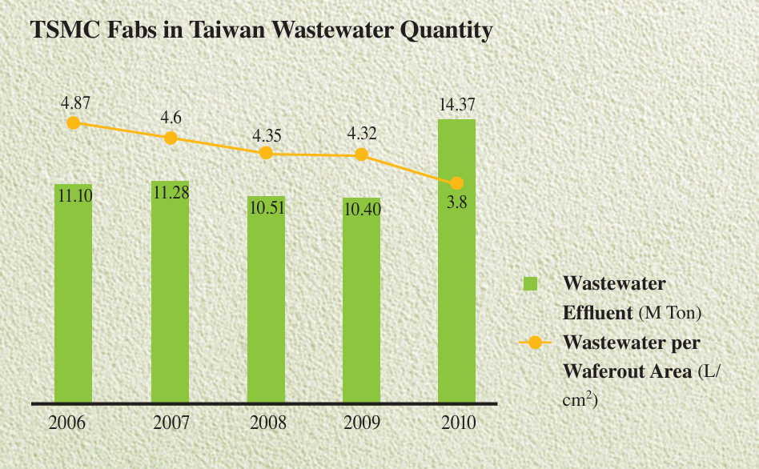

 | semiconductor |  | Unit area (200 mm-eq) |  |  | Case concentration |  | Reference：TSMC websites | Global wafer production
 | 3.8 | L/cm2 | 314 | cm2 |  | 50 | ug/L
 |  |  |  |  |  | 40 | ug/L
Monthly production, 2020 | 2.08E+07 |  |  |  |  | 60 | ug/L
Monthly area, 2020 | 6.53E+09 | cm2
Yearly water amount | 2.98E+11 | L
Yearly PFAS amount to waste water | 1.49E+01 | ton
Yearly PFAS amount to waste water-40 ug/L | 11.9129088 | ton
Yearly PFAS amount to waste water-60 ug/L | 17.8693632 | ton

Global Utilization (photoetching) | 31.363072 | ton
Global Utilization (photoetching)-concentration 40-Initial Minimum | 25.0904576 | ton
Global Utilization (photoetching)--concentration 60-Initial Max | 37.6356864 | ton

 | Total |  | emission rate | Ratio to waste water | Europe share
2020 | 4423 | ton | 21% | 0.4747983871 | 15.75% | https://www.ipc.org/news-release/sharp-decline-european-electronics-manufacturing-jeopardizes-strategic-eu-priorities；https://www.maximizemarketresearch.com/market-report/global-electronics-manufacturing-services-market/112137/ | 21%
Global Utilization | 28051.176611 | ton | 0.1785 | 0.40357862903 | 15% |  | 16.8%link
Global utilization 15% of Europe-Max | 29461.576209 |  | 0.2415 | 0.54601814516 | 16.50% | https://www.ipc.org/news-release/sharp-decline-european-electronics-manufacturing-jeopardizes-strategic-eu-priorities；https://www.maximizemarketresearch.com/market-report/global-electronics-manufacturing-services-market/112137/
Global utilization 15% of Europe-Min | 26768.42492

Global emission to waste water | 2796.9172163 | ton
Global emission to waste water-15% |  | ton
Global emission to waste water+15% |  | ton

CAGR for electronics
5.68% | Consumer Electronics Market Size to Hit USD 1406.47 Bn by 2034 (precedenceresearch.com)
6.60% | Consumer Electronics Market Size | Industry Report, 2030 (grandviewresearch.com)
7.85% | https://www.fortunebusinessinsights.com/consumer-electronics-market-104693
11.95% | Semiconductor Market Size, Share, Growth & Forecast [2032] (fortunebusinessinsights.com)
7.70% | https://www.expertmarketresearch.com/reports/semiconductor-market
9% | https://www.marketwatch.com/story/asml-shares-rise-as-chip-equipment-maker-confirms-2030-outlook-d732c983?utm_source=chatgpt.com
14.90% | Semiconductor Market Size, Share, Growth & Forecast [2032] (fortunebusinessinsights.com)
2024 627.6 billion | Global Semiconductor Sales Increase 19.1% in 2024; Double-Digit Growth Projected in 2025 - Semiconductor Industry Association
2020 440.39 | Semiconductor market size 2025 | Statista |  |  |  |  |  |  |  |  | https://semiwiki.com/forum/index.php?threads/global-wafer-capacity-2021-2025.13705/
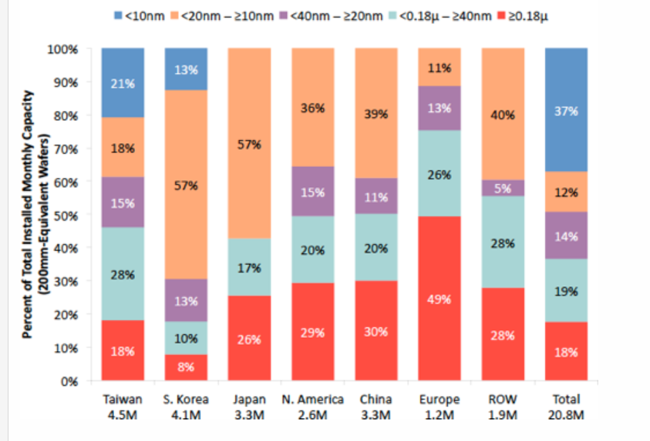
1.4263636364
1.2352941176 | electronic, https://www.grandviewresearch.com/industry-analysis/personal-consumer-electronics-market

